Sheet3
Has1stAns | 0.382
1stLength | -0.021 |  |  |  | DV: # other answers | DV: # other answers | DV: harzard second answer | DV: harzard second answer
1stSimTrue | 0 |  |  | has1Ans | 0.216 *** | 0.342 *** | 5.084 *** | 5.461 ***
1stAI | 0.749 |  |  |  | (0.037) | (0.040) | (1.012) | (1.022)
1stAI*1stLength | -0.065 |  |  | log_textLengthCN1Ans_fillna | 0.050 *** | -0.016 . | -0.015 | -0.188 ***
1stAI*1stSimTrue | 0 |  |  |  | (0.006) | (0.009) | (0.030) | (0.051)
 |  |  |  | SimWithOpus1Ans_fillna | 0.083 . | 0.061 | 0.183 | 0.076
 |  |  |  |  | (0.048) | (0.061) | (0.233) | (0.344)
Length | No Answer | 1st AI | 1st Human | AI |  | 0.747 *** |  | 1.349 *
6.2315935 |  | 0.595082959 |  |  |  | (0.128) |  | (0.532)
 | 1st AI | 1st Human | No Answer
6.2315935 | 0.595082959
5.1203885 | 0.690646589
0 | 1.131 | 0.382 | 0
2.10586 |  | 0.33777694
4.780926 |  | 0.281600554
5.1203885 |  | 0.690646589 |  | AI:log_textLengthCN1Ans_fillna |  | -0.066 ** |  | -0.094
0 | 0 | 1.131 | 0.382 |  |  | (0.022) |  | (0.096)
2.10586 |  |  | 0.33777694 | AI:SimWithOpus1Ans_fillna |  | -0.129 |  | -0.225
4.780926 |  |  | 0.281600554 |  |  | (0.092) |  | (0.447)
 |  |  |  | Num. obs. | 3613 | 3613 | 3613 | 3613

interaction plot
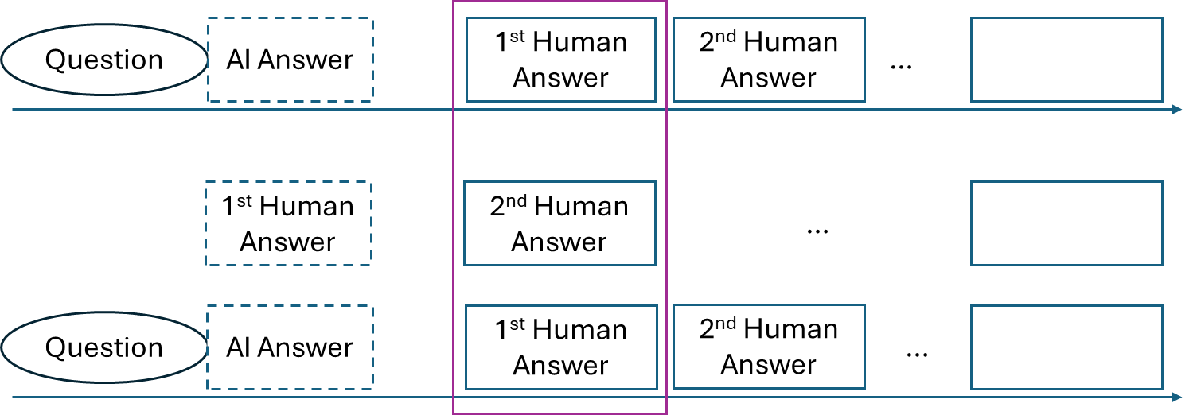
 | DV: # human answers | DV: harzard first human answer |  |  | mean | std |  | mean | std
treatment | 0.226 | 1.113 |  | log_textLengthCNAI_fillna | 2.77437 | 2.86413 | AI | 5.675991 | 0.5556025
treatment:log_textLengthCNAI_fillna | -0.045 | -0.227 |  |  |  |  | Human | 0 | 0
treatment:AISimWithOpus47_fillna | 0 | 0 |  | AISimWithOpus47_fillna | 0.2706813 | 0.2972415 | AI | 0.55539 | 0.1520596
 | DV: # other answers | DV: harzard second answer | DV: answer1_answer2_similarity |  |  |  | Human | 0 | 0
treatment | 0.684 | 1.239 | 0 |  | mean | std |  | mean | std
log_textLengthCN1Ans | -0.026 | -0.208 | 0 | log_textLengthCN1Ans | 3.17337 | 6.150986 | AI | 5.675991 | 0.5556025
treatment:log_textLengthCN1Ans | -0.058 | 0 | 0 |  |  |  | Human | 3.443393 | 1.337533
SimWithOpus1Ans | 0 | 0 | 0.494 | SimWithOpus1Ans | 0.3290497 | 0.6833675 | AI | 0.55539 | 0.1520596
treatment:SimWithOpus1Ans | 0 | 0 | -0.109 |  |  |  | Human | 0.4452611 | 0.1869011

 | AI Answer | Human Answer
6.2315935 | -0.3015717245
5.1203885 | -0.0493281895
0 |  | 0
0 |  | 0
 | DV: # human answers
log_textLengthCNAI_fillna | AI Answer | No Answer
6.2315935 | -0.0544217075
5.1203885 | -0.0044174825
0 | 0.226 | 0
0 |  | 0

 | DV: harzard first human answer
log_textLengthCNAI_fillna | AI Answer | Human Answer
6.2315935 | -0.3015717245
5.1203885 | -0.0493281895
0 |  | 0
0 |  | 0

 | AI Answer | No Answer
6.2315935 | -0.0544217075
5.1203885 | -0.0044174825
0 | 0.226 | 0
 | AI Answer | Human Answer
5.1203885 | 0.253887366
6.2315935 | 0.160546146
0 | 0.684
2.10586 |  | -0.05475236
4.780926 |  | -0.124304076
0 |  | 0
 | DV: # other answers
log_textLengthCN1Ans | AI Answer | Human Answer
5.1203885 | 0.253887366
6.2315935 | 0.160546146
0 | 0.684
2.10586 |  | -0.05475236
4.780926 |  | -0.124304076
0 |  | 0
 | DV: answer1_answer2_similarity
SimWithOpus1Ans | AI Answer | Human Answer
0.4033304 | 0.155282204
0.7074496 | 0.272368096
0.25836 |  | 0.12762984
0.6321622 |  | 0.3122881268
0

